Application Screen
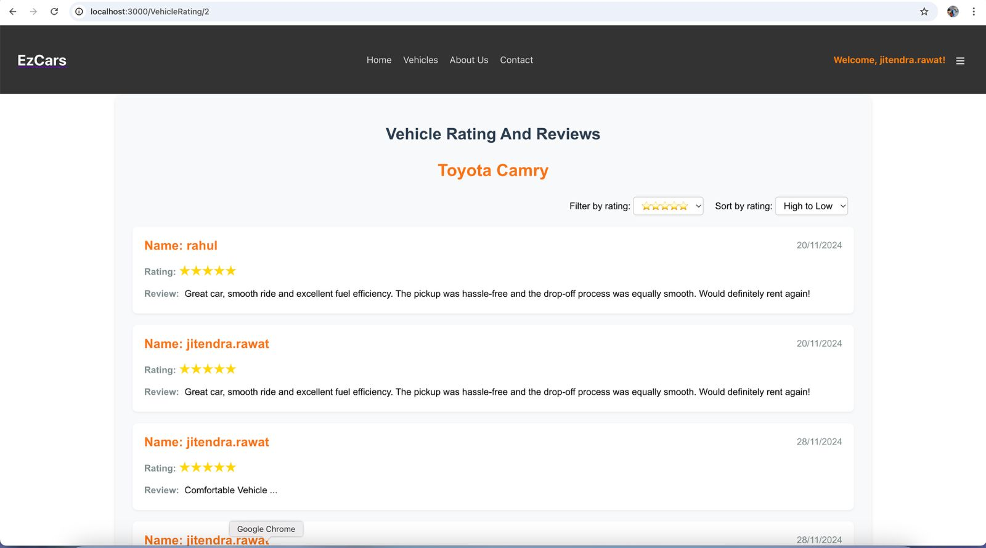

Test Case 4
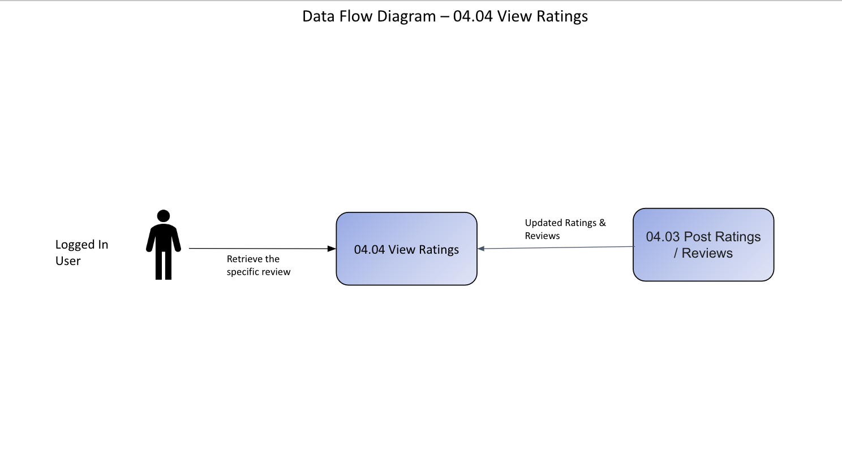
TC Title: | TC4. View Ratings - Data Flow In Testing

TC Objective: | The Objective of this test case is to ensure that the View Ratings feature integrates seamlessly with external systems, displaying accurate and consistent ratings and reviews across all platforms.

Test Data (optional):

TC Description
 | Step | Step Description | Expected Results
 | 1 | Access the View Ratings section. | The section loads successfully, displaying star ratings, user reviews, and sort options accurately.
 | 2 | Initiate a request to retrieve ratings and reviews data from the backend. | The request is successfully sent to the backend, retrieving ratings and review data as stored in the system.
 | 3 | Observe the display of retrieved ratings and reviews on the platform. | Star ratings and reviews appear accurately, maintaining correct user information, star count, and review text.
 | 4 | Compare the ratings and reviews data between the EzCars platform and external systems. | Data such as star ratings, review text, and user details are identical on both platforms, ensuring synchronization.
 | 5 | Simulate data changes in the backend (e.g., modify a review or rating). | The change reflects correctly in the View Ratings section and propagates seamlessly to the external system.
 | 6 | Refresh the ratings display on all platforms. | Both systems reflect the updated ratings and reviews, ensuring real-time synchronization and accurate display.
 | 7 | Handling of missing or corrupted data. | The external system and the EzCars platform handle missing or corrupted data gracefully, displaying appropriate error messages or defaults.

